6-8.Ingre&Nutrition&Allergens
6.Product Composition
Ingredients |  | Components |  | % Composition | Supplier Names | Country of Origin | Genetically modified?
(Including E numbers and *functions for additives) |  | (if ingredient is composed of several sub-ingredients) |  | (Please list the ingredients in descending order) | (Please list all suppliers per ingredient)
Wheat flour |  |  |  | 25.48% |  | China
Chicken |  |  |  | 19.68% |  | China
Cabbage |  |  |  | 18.68% |  | China
Water |  |  |  | 11.57% |  | China
Onion |  |  |  | 7.02% |  | China
Pressed Sunflower oil |  |  |  | 4.98%
Garlic chive |  |  |  | 3.23% |  | China
Bamboo shoot |  |  |  | 3.06% |  | China
Tofu puff |  | Water, soybean, soybean oil, nigari (firming agent: magnesium chloride) |  | 1.65% |  | China |  |  | D
Garlic |  |  |  | 0.95%
Ginger |  |  |  | 0.95% |  | China
Sugar |  |  |  | 0.83%
Soy sauce |  | Soybean, water, salt, wheat |  | 0.64% |  | China
Salt |  |  |  | 0.61% |  | China
Sesame oil |  |  |  | 0.58% |  | China
Yeast extract |  |  |  | 0.06% |  | China
White pepper |  |  |  | 0.03% |  | China
 |  |  | Total | 100.00%
*Please choose the functional of food additives from below: sweeteners / colours / preservatives / antioxidants / carriers / acids / acidity regulators / anti-caking agents / anti-foaming agents / bulking agents / bulking agents / emulsifiers / emulsifying salts / firming agents / flavor enhancers / foaming agents / gelling agents / glazing agents / humectants / modified starches / packaging gases / propellants / raising agents / sequestrants / stabilisers / thickeners / flour treatment agents / contrast enhancers

7.Nutritional Information |  | * Not Mandatory
Typical Values (g) |  | Per 100g/100ml
Energy (Kcal/KJ) |  | Kcal: 179 KJ: 749 |  |  |  |  |  |  | 0
Fat |  | 3.3 g
of which saturate fat |  | 2.5 g
of which monounsaturated fat*
of which, polyunsaturated fat*
Carbohydrate |  | 27 g
of which sugar |  | 2.7 g
of which Polyols*
of which starch*
Fibre*
Protein |  | 10.3 g
Salt |  | 2.3 g |  | Sodium in mg x 2.5 /1000 = salt in g
NOTE: Must attach lab analyses report
8.The fourteen Allergens – Regulation (EU) No 1169/2011
 | Potential Component |  |  | Product contains? | In which ingredient? | Handled on manufacturing site? | In which material? | Measures to prevent Cross-contamination | Precautionary allergen labelling (May Contain statement) needed?
 | *Please tick in the box |  |  | Yes/No |  | Yes/No |  |  | Yes/No
01 | Cereals containing gluten including wheat, Rye, Barley, Oats, Spelt & Khorasan and products thereof: |  |  | Yes | Wheat flour | Yes | wheat flour | Yes | No
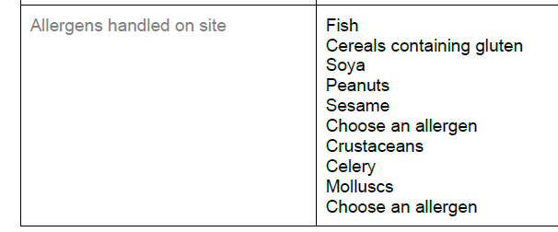
02 | Crustaceans and products thereof: |  |  | No |  |  |  | Yes | No
03 | Fish and products thereof: |  |  | No |  | Yes | Fish | Yes | No
04 | Molluscs and products thereof: |  |  | No |  | Yes | Squid | Yes | No
05 | Peanuts and products thereof: |  |  | No |  | Yes | Peanut oil | Yes | No
06 | Soybeans and products thereof: |  |  | Yes | Soy sauce,Tofu puff | Yes | Soy sauce,Tofu puff | Yes | No
07 | Milk and products thereof: |  |  | No |  |  |  | Yes | No
08 | Nuts and products thereof: |  |  | No |  |  |  | Yes | No
09 | Celery and products thereof: |  |  | No |  | Yes | Celery | Yes | No
10 | Mustard and products thereof: |  |  | No |  |  |  | Yes | No
11 | Sesame seeds and products thereof: |  |  | Yes | Sesame oil | Yes | Sesame oil | Yes | No
12 | Sulphur Dioxide or Sulphites: |  |  | No |  |  |  | Yes | No
13 | Lupin and products thereof: |  |  | No |  |  |  | Yes | No
14 | Egg and products thereof: |  |  | No |  |  |  | Yes | No

9-13.Quality Attributes
9.Chemical Standard & Harmful Contamination
Test Item Depends on the products, different pesticides, heavy metals, chemicals should be monitord. Fill in the items to be monitored according to the likely risk of contamination ; Example : Cadmium in seaweed, Acidity in sushi ginger |  | EU MRL standard/Recommendation | Country of Origin MRL Standard | Test Frequency
Pesticides |  |  | MCL-3-SOP-067 | Once a year
10.Acrylamide
Are Products at risk of acrylamide? |  |  |  |  | No
If Yes. What mitigation measures are in place to manage acrylamide levels with the food? |  |  |  |  | N/A
11.Radioactivity | *occurs naturally in all food and can be transferred into food in different ways eg crops from soil, drinking water from the earth, Fish and Shellfish from the water or Sea floor.
Has the product/ ingredient been irradiated? |  |  |  |  | No
Is the product/ ingredient subject to potential radioactive cross contamination? |  |  |  |  | No
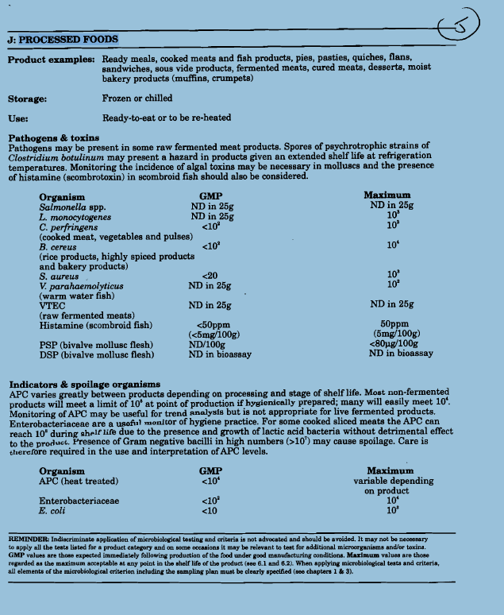
If yes, what controls in place |  |  |  |  | N/A
Has the product/ ingredient been imported into the UK from a country that has high levels of radioactivity? |  |  |  |  | No
If Yes, how is this controlled and what checks are carried out? |  |  |  |  | N/A
12.Microbiology Standards | *Please insert GB standard
Micro-organisms | Type | EU Standard | Country of Origin Government Standard | Manufacturer Own Standard | Test Frequency
TVC | Quality Indicator | <104 | <104 | <104 | Every batch | *please clarify by filling in how many samples per day/PO rather than by each lot
Escherichia coli | Hygiene indicator | <20 | Not Detected | Not Detected | Every batch
Enterobacteriaceae | Hygiene indicator | <100 | ─ | ─ | Every batch
Coliforms |  | ─ | <100 | <100 | Every batch
Listeria spp | Hygiene indicator | Not Detected | ─ | ─ | N/A
Listeria monocytogenes | Pathogens | Not Detected | Not Detected | Not Detected | Every batch
Campylobacter spp. | Pathogens | Not Detected | ─ | ─ | N/A
Escherichia coli O157 | Pathogens | Not Detected | ─ | ─ | N/A
Salmonella spp. | Pathogens | Not Detected | Not Detected | Not Detected | Every batch
Shigella spp. | Pathogens | Not Detected | ─ | ─ | N/A
Vibrio cholera (O1 and O139) | Pathogens | Not Detected | ─ | ─ | N/A
Vibrio parahaemolyticus | Pathogens | <20 | ─ | ─ | N/A
Bacillus cereus | Pathogens | <103 | ─ | <102 | Every batch
Bacillus spp. | Pathogens | <103 | ─ | ─ | N/A
Clostridium perfringens | Pathogens | <10 | ─ | <10 | Every batch
Staphylococcus aureus and other coagulase-positive staphylococci | Pathogens | <20 | <100 | <20 | Every batch
Yeast and Mould |  | ─ | ─ | <100 | Every batch
13.Acceptance and Rejection standard
Standard Product Photo & Description |  | Rejected Product Photo& Description
IE. Grading, Sizing, Appearance, Flavor/taste, Texture, Colour, smell |  | IE. Grading, Sizing, Appearance, Flavor/taste, Texture, Colour, smell
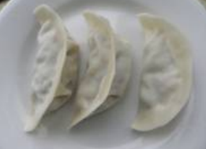 Appearance: No foreign body, White colour Taste: Natural taste of vegetable with chicken Texture: Soft structure, Juicy. |  | Appearance: Foreign body, not in white colour Taste: Strange flavor Texture: Broken

14-16.Quantity&packaging info
14.Quantity Attributes
 | Unit | Case (kg)
Net Weight | 1 | 10
Gross Weight | 1.015 | 11.13
Is the product packed in a Protective atmosphere? (if yes, indicate the composition on gases used if applicable) |  |  |  | No
Is the product vacuum packed? |  |  |  | No
Primary Package Plastic Material Comply with Commission Regulation (EU) No 10/2011 |  |  |  | Yes
15.Packaging Weight Dimensions & Container Maxi Load
 | Description/Color | Materials *please indicate the plastic material from below 01-07 | Weight (g) | Dimensions (mm)

Primary： | plastic bag | LDPE/PET | 15 | L | 340 | 200
 |  |  |  | W | 240 | 70
 |  |  |  | H |  | 290
Secondary: | brown | Corrugated paper carton | 980 | L | 400 | 385
 |  |  |  | W | 275 | 265
 |  |  |  | H | 300 | 305
20FCL Max Load without palletized | 750
40FCL Max Load without palletized | 1700

16.Pallet Configuration
 | UK Pallet Configuration (1.0m x 1.2m) | EU Pallet Configuration (0.8m x 1.2m)
Cases per layer | 10 | 8
Number of layers | 5 | 5
Cases/pallet | 50 | 40
Pallet height (m) | 1.5 | 1.5
Pallet weight (kg) | 556.5 | 445.2
Pallet Top-View | 
*pallet height must lower than 1.75m & gross weight under 1000kg

17-20.HACCP,Artwork&SpecAuthor.
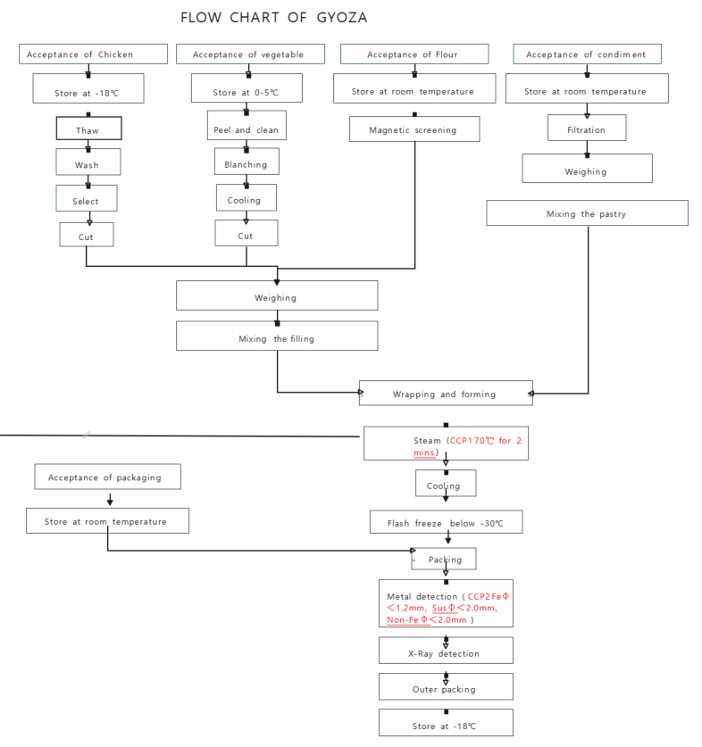
17.Process Flow Chart- (showing all CCPs)
Please provide in the form a Critical Control Point (CCP), a description of the process/packing operations including processing times tempuratures where applicable and in process Safery Control Checks (CCP Summary) and Quality Checks.
*please insert HACCP plan of product
18.Critical Control Points
CCP | Control Measure |  | Critical Limit | Monitoring Frequency
CCP1 | Steaming |  | Core temperature 70℃ with 2 minutes | Every piece
CCP2 | Metal detector |  | Fe φ<1.2mm, Susφ<2.0mm, Non-Fe<2.0mm | Every bag
19.Artwork
Inner Label / Package Design artwork |  | Outer Label / Package Design artwork
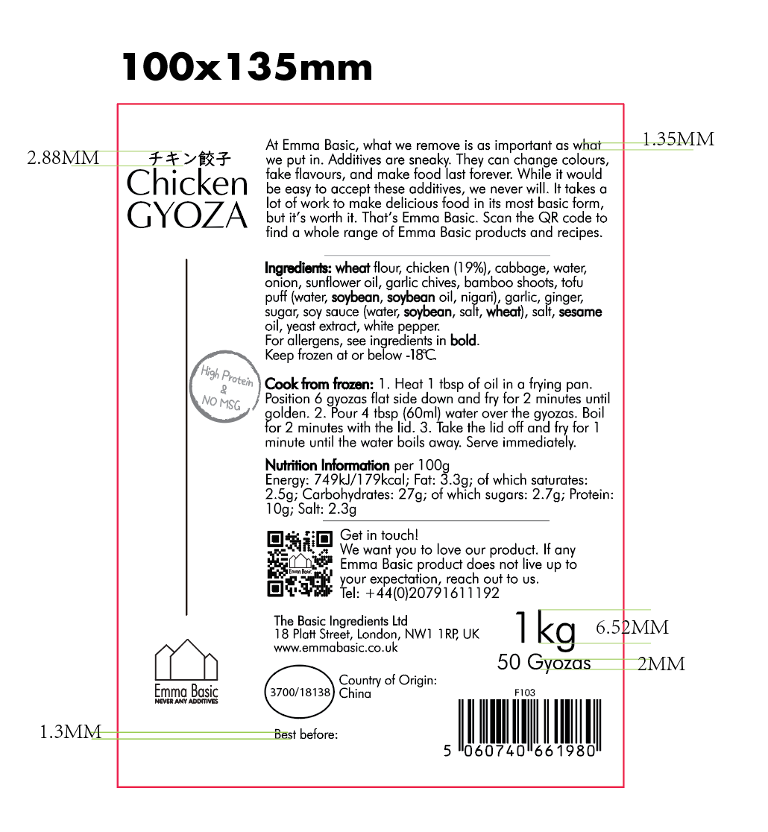 |  | 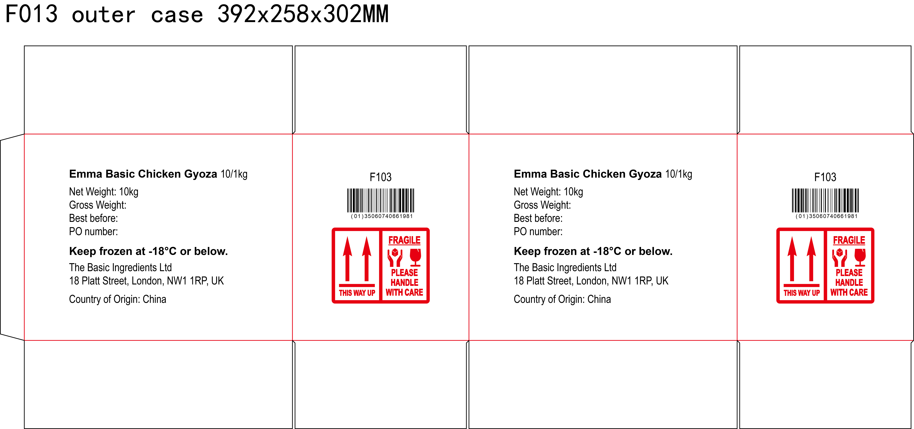

20.Packaging Photos
Finished Product with Primary package | Outer Case (Secondary) |  | Tertiary
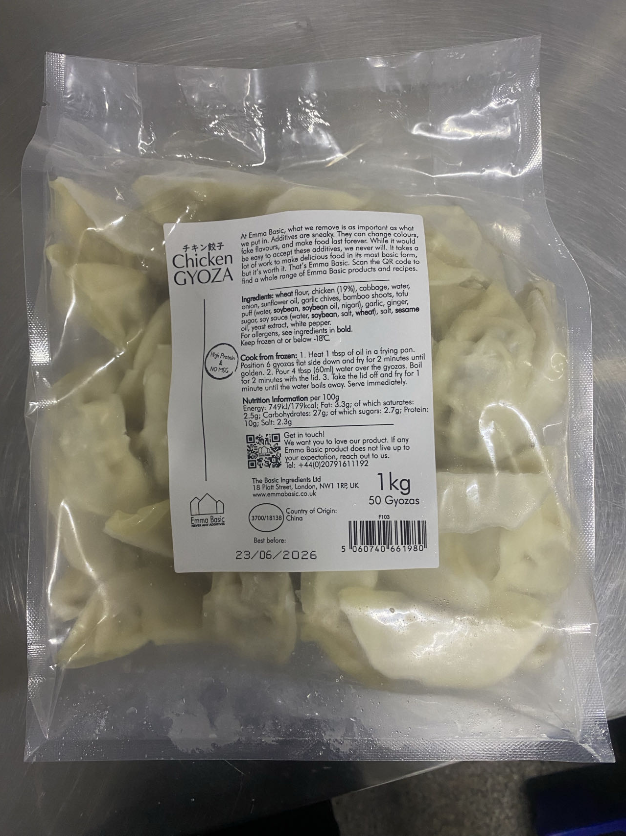 | 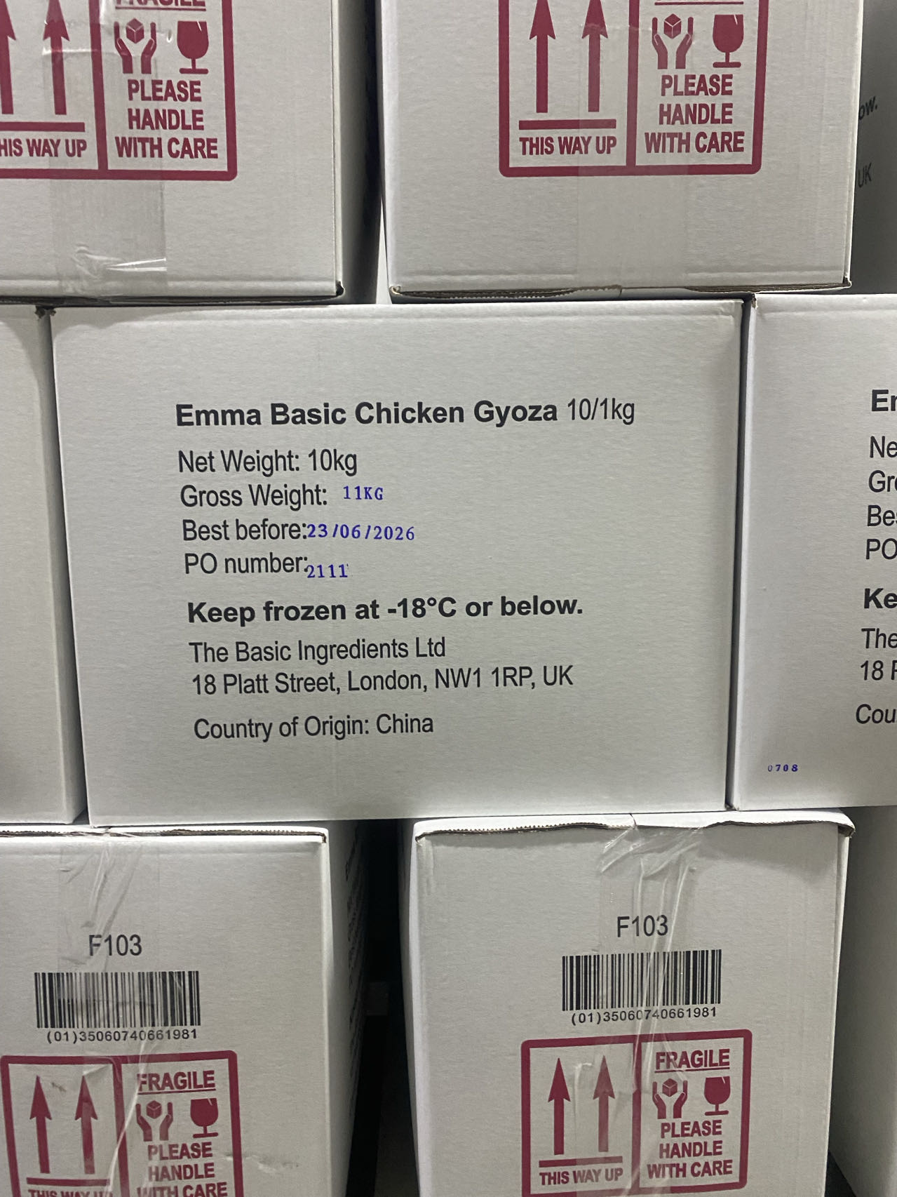 |  | N/A
Specification Authorization
1.Product to be supplied in accordance with this agreed specification. No changes are to be made without prior knowledge and prior written agreement of The Basic Ingredients Ltd. 2.The contents of this specification are confidential and should not be disclosed to a third party without a written approval of The Basic Ingredients Ltd. 3. Product must be fit for purpose of the nature and substance stated in this specification and free from foreign body. 4. The raw materials used in this product fulfil the requirements described in the Regulation 1881/2006/EC related to contaminants in foodstuffs, the Regulation 396/2005/EC related to pesticides in foodstuffs, and their amendments. 5. The product has not been treated with ionising radiation and does not contain any irradiated ingredients- Regulated under Directive 1999/2/EC and Directive 1999/3/EC. 6. This product does not contain ingredients that contain GMO or consist of GMO or were produced from GMO - Regulated under Regulation (EC) No 1829/2003, Regulation (EC) No 1830/2003, and their amendments. 7. Products to be delivered using suitable transport in the stated conditions (i.e. ambient, chilled, frozen). 8. The information on this specification can be used without reservation to advise customers with food allergies, intolerances or aversions, especially those who may die from an anaphylactic reaction to traces of ingredients. 9. All materials intended to come into contact with foods complies with European regulations: Regulation (EC) No. 1935/2004, Regulation (EC) No. 2023/2006, Regulation (EU) No. 10/2011, Directives 82/711/EEC, 85/572/EEC, 2002/72/EEC (and the relevant amendments).
Manufacturer Name | Qingdao Jiaqinghe Food Co., Ltd
Signature
Print Name | Gao Siliang
Position in Company | General manager
Date | 2024-09-19

For and on behalf of The Basic Ingredients Ltd:
Signature | Nancy Deng
Print Name | Nancy Deng
Position in Company | Technical Account Manager
Date | 2024-09-19

